PSC
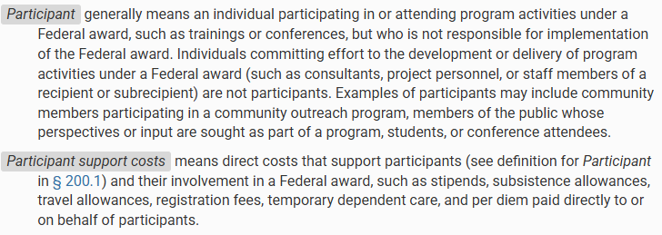
Attachment A: Budget Worksheet (PSC) |  |  | Base FY: | FY2027 |  |  |  |  |  | *Uniform Guidance
The University of Massachusetts Boston |  |  | Purpose: | *Select Activity Type*
Office of Research and Sponsored Programs |  |  | Location: | *Select Location*

Proposal Information
Project Grant # | Cover Page Not Completed |  | Period Start | 0
Proposal ID # | Cover Page Not Completed |  | Period End | 0
PI Name | Cover Page Not Completed
Sponsor | Cover Page Not Completed
Title | Cover Page Not Completed

Budget Category | PeopleSoft Description |  | Period 1 | Period 2 | Period 3 | Period 4 | Period 5 | Total | Notes
6TRAVELNAT | National Travel |  | $0 | $0 | $0 | $0 | $0 | $0
6TRAVELFGN | Foreign Travel |  | $0 | $0 | $0 | $0 | $0 | $0
6SUPPLIES | Supplies and Materials |  | $0 | $0 | $0 | $0 | $0 | $0
6CONSULTANT | Consultant/Contract for Service: Honoraria |  | $0 | $0 | $0 | $0 | $0 | $0
6HUMANSUBJECTS | Human Subjects: Participant Incentives Only |  | $0 | $0 | $0 | $0 | $0 | $0
6EQUIPLEASE | Equipment Lease Rent |  | $0 | $0 | $0 | $0 | $0 | $0
6OTHERNONPER | Tuition/Fees, Fellowships: Participant Stipends |  | $0 | $0 | $0 | $0 | $0 | $0
 | Total Direct Cost |  | $0 | $0 | $0 | $0 | $0 | $0
 | Base for Indirect Cost | Complete CoverPage | UNDEFINED | UNDEFINED | UNDEFINED | UNDEFINED | UNDEFINED | UNDEFINED | This IDC calculation is included in the IDC on the main Period tabs - shown here for breakout purposes
 | Facilities and Administrative Rate ==> |  | 0.00% | 0.00% | 0.00% | 0.00% | 0.00% | 0.00%

6FACADM | Total Indirect Cost |  | UNDEFINED | UNDEFINED | UNDEFINED | UNDEFINED | UNDEFINED | $0
 | Total Cost of Project (Direct + Indirect) |  | UNDEFINED | UNDEFINED | UNDEFINED | UNDEFINED | UNDEFINED | $0

 | Unrecovered Indirect Cost |  | CoverPage | CoverPage | CoverPage | CoverPage | CoverPage | $0
 | *Select Location*.*Select Activity Type* | #N/A |  |  |  |  | per full NICRA MTDC

 | MTDC |  | $0.00 | $0.00 | $0.00 | $0.00 | $0.00 | $0.00
 | TDC |  | $0.00 | $0.00 | $0.00 | $0.00 | $0.00 | $0.00
 | NOFNA |  | $0.00 | $0.00 | $0.00 | $0.00 | $0.00 | $0.00

